EXPORT (101222)
Measurement results
B309 rep 1_10.skax
10/12/2022

Standard Curve 1

Fit type: Linear Regression
Use extrapolation: No
Force line through origin: No
Concentration transformation: Linear
Signal transformation: Linear
Wavelength: 620 nm

Sample group: Group 1
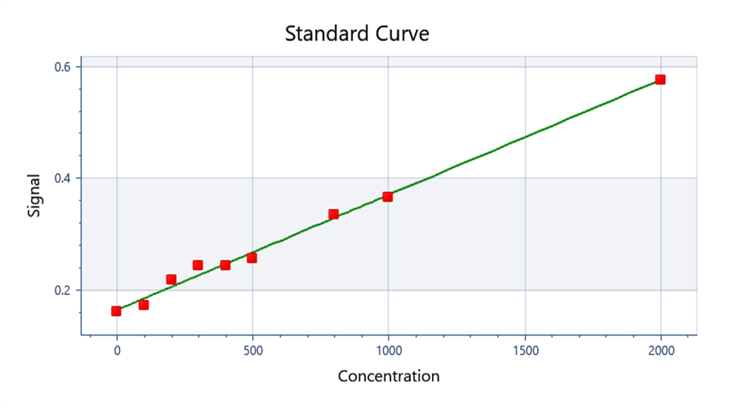

y = 0.000205136x + 0.165742

y = ax + b
Where:
a = | 0.00020513595221
b = | 0.16574216148

R²: 0.994

Well | Sample | Conc. | Original signal | CV% | Fitted signal | Residual
Average | Std0001 | 100 | 0.1742 | 4.345 | 0.1863 | -0.01211
B01 | Std0001 | 100 | 0.1688 |  | 0.1863 | -0.01746
B02 | Std0001 | 100 | 0.1795 |  | 0.1863 | -0.006756
Average | Std0002 | 200 | 0.2194 | 1.515 | 0.2068 | 0.01258
C01 | Std0002 | 200 | 0.217 |  | 0.2068 | 0.01023
C02 | Std0002 | 200 | 0.2217 |  | 0.2068 | 0.01493
Average | Std0003 | 300 | 0.2436 | 4.76 | 0.2273 | 0.01632
D01 | Std0003 | 300 | 0.2518 |  | 0.2273 | 0.02452
D02 | Std0003 | 300 | 0.2354 |  | 0.2273 | 0.008117
Average | Std0004 | 400 | 0.2437 | 5.977 | 0.2478 | -0.004097
E01 | Std0004 | 400 | 0.254 |  | 0.2478 | 0.006203
E02 | Std0004 | 400 | 0.2334 |  | 0.2478 | -0.0144
Average | Std0005 | 500 | 0.2573 | 0.3298 | 0.2683 | -0.01101
F01 | Std0005 | 500 | 0.2567 |  | 0.2683 | -0.01161
F02 | Std0005 | 500 | 0.2579 |  | 0.2683 | -0.01041
Average | Std0006 | 800 | 0.3359 | 4.569 | 0.3299 | 0.005999
G01 | Std0006 | 800 | 0.325 |  | 0.3299 | -0.004851
G02 | Std0006 | 800 | 0.3467 |  | 0.3299 | 0.01685
Average | Std0007 | 1000 | 0.3671 | 4.065 | 0.3709 | -0.003828
H01 | Std0007 | 1000 | 0.3565 |  | 0.3709 | -0.01438
H02 | Std0007 | 1000 | 0.3776 |  | 0.3709 | 0.006722
Average | Std0008 | 2000 | 0.576 | 0.7366 | 0.576 | -0.00001407
A03 | Std0008 | 2000 | 0.573 |  | 0.576 | -0.003014
A04 | Std0008 | 2000 | 0.579 |  | 0.576 | 0.002986
Average | Std0009 | 0 | 0.1619 | 2.708 | 0.1657 | -0.003842
A01 | Std0009 | 0 | 0.165 |  | 0.1657 | -0.0007422
A02 | Std0009 | 0 | 0.1588 |  | 0.1657 | -0.006942

Well | Type | Sample | Signal | Conc.
A01 | Standard | Std0009 | 0.165 | < Min
A02 | Standard | Std0009 | 0.1588 | < Min
A03 | Standard | Std0008 | 0.573 | 1985
A04 | Standard | Std0008 | 0.579 | > Max
B04 | Unknown | B309 | 0.167 | 6.132
B03 | Unknown | B309 | 0.1791 | 65.12
B02 | Standard | Std0001 | 0.1795 | 67.07
B01 | Standard | Std0001 | 0.1688 | 14.91
C01 | Standard | Std0002 | 0.217 | 249.9
C02 | Standard | Std0002 | 0.2217 | 272.8
C03 | Unknown | 309 - 1:10 - (2) | 0.2139 | 234.8
C04 | Unknown | 309 - 1:10 - (2) | 0.2168 | 248.9
D02 | Standard | Std0003 | 0.2354 | 339.6
D01 | Standard | Std0003 | 0.2518 | 419.5
E01 | Standard | Std0004 | 0.254 | 430.2
E02 | Standard | Std0004 | 0.2334 | 329.8
F02 | Standard | Std0005 | 0.2579 | 449.3
F01 | Standard | Std0005 | 0.2567 | 443.4
G01 | Standard | Std0006 | 0.325 | 776.4
G02 | Standard | Std0006 | 0.3467 | 882.1
H02 | Standard | Std0007 | 0.3776 | 1033
H01 | Standard | Std0007 | 0.3565 | 929.9

Autoloading range A1 - G99

Plot
STD | Conc. | #1 | #2 | AVG | xCalc | R^2 | 0.9940386 | Well | Type | Sample | Signal | Conc. | Sample | Signal1 | Signal2 | AVG
STD1 | 0.000 | 0.165 | 0.159 | 0.162 | 0.0000 | SLOPE | 0.0002051 | B01 | Standard | Std0001 | 0.1688 | 14.91 | Std0001 | 0.1688 | 0.1795 | 0.1742 | 0.0000
STD2 | 100.000 | 0.169 | 0.180 | 0.174 | 40.9867 | INTERCEPT | 0.1657422 | B02 | Standard | Std0001 | 0.1795 | 67.07 | Std0002 | 0.2170 | 0.2217 | 0.2194 | 0.0000
STD3 | 200.000 | 0.217 | 0.222 | 0.219 | 261.3283 |  |  | C01 | Standard | Std0002 | 0.217 | 249.9 | Std0003 | 0.2518 | 0.2354 | 0.2436 | 0.0000
STD4 | 300.000 | 0.252 | 0.235 | 0.244 | 379.5426 |  |  | C02 | Standard | Std0002 | 0.2217 | 272.8 | Std0004 | 0.2540 | 0.2334 | 0.2437 | 0.0000
STD5 | 400.000 | 0.254 | 0.233 | 0.244 | 380.0301 | y = mx + b |  | D01 | Standard | Std0003 | 0.2518 | 419.5 | Std0005 | 0.2567 | 0.2579 | 0.2573 | 0.0000
STD6 | 500.000 | 0.257 | 0.258 | 0.257 | 446.3276 |  |  | D02 | Standard | Std0003 | 0.2354 | 339.6 | Std0006 | 0.3250 | 0.3467 | 0.3359 | 2282.1045
STD7 | 800.000 | 0.325 | 0.347 | 0.336 | 829.2444 |  |  | E01 | Standard | Std0004 | 0.254 | 430.2 | Std0007 | 0.3565 | 0.3776 | 0.3671 | 3353.5522
STD8 | 1000.000 | 0.357 | 0.378 | 0.367 | 981.3387 |  |  | E02 | Standard | Std0004 | 0.2334 | 329.8 | Std0008 | 0.5730 | 0.5790 | 0.5760 | 10529.1615
STD9 | 2000.000 | 0.573 | 0.579 | 0.576 | 1999.9314 |  |  | F01 | Standard | Std0005 | 0.2567 | 443.4 | Std0009 | 0.1650 | 0.1588 | 0.1619 | 0.0000
 |  |  |  |  |  |  |  | F02 | Standard | Std0005 | 0.2579 | 449.3
309 - 1:10 - (2) |  | 0.2139 | 0.2168 | 0.2153 | #NAME? |  |  | G01 | Standard | Std0006 | 0.325 | 776.4
309 - 1:10 - (2) |  | 0.2139 |  | 0.2139 |  |  |  | G02 | Standard | Std0006 | 0.3467 | 882.1 | R^2 | 0.0200303
309 - 1:10 - (2) |  | 0.2168 |  |  |  |  |  | H01 | Standard | Std0007 | 0.3565 | 929.9 | SLOPE | 0.0000291
 |  |  |  |  |  |  |  | H02 | Standard | Std0007 | 0.3776 | 1033 | INTERCEPT | 0.2693963
 |  |  |  |  |  |  |  | A03 | Standard | Std0008 | 0.573 | 1985
 |  |  |  |  |  |  |  | A04 | Standard | Std0008 | 0.579 | > Max
 |  |  |  |  |  |  |  | A01 | Standard | Std0009 | 0.165 | < Min
 |  |  |  |  |  |  |  | A02 | Standard | Std0009 | 0.1588 | < Min

 |  |  |  |  |  |  |  | Well | Type | Sample | Signal | Conc.
 |  |  |  |  |  |  |  | C03 | Unknown | 309 - 1:10 - (2) | 0.2139 | 234.8
 |  |  |  |  |  |  |  | C04 | Unknown | 309 - 1:10 - (2) | 0.2168 | 248.9
 |  |  |  |  |  |  |  | B03 | Unknown | B309 | 0.1791 | 65.12
 |  |  |  |  |  |  |  | B04 | Unknown | B309 | 0.167 | 6.132

